Sheet1
 | PICKAWAY COUNTY NUISANCE/DANGEROUS/VICIOUS DOG DATABASE
Last Name | First Name |  | Address |  | City | Photo of Dog | Dog Name | Sex | Breed | Designation Type | Microchip Number | Tag #
Krueger | Beverly | 15061 | Ringgold Northern | Rd | Ashville | 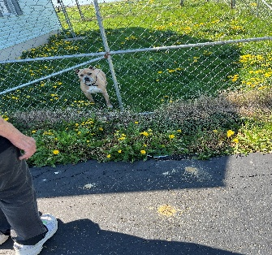 | Charlie | Male | American Bully | Dangerous | #911002001484715 | 358

Kesler | Staton | 1173 | Lone Pine | Rd | Circleville | 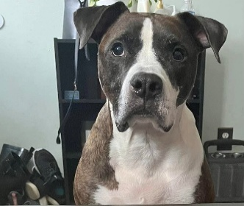 | Forest | Male | Boxer Mix | Dangerous | #981020019626256 | 372
Kesler | Staton | 1173 | Lone Pine | Rd | Circleville | 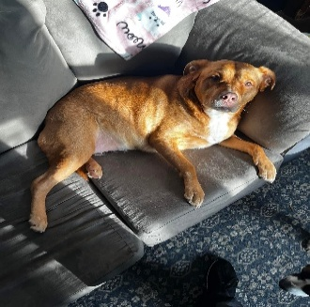 | Athena | Female | Retriever Mix | Dangerous | #985113010000787 | 373
Fullen | Jason | 718 | Maplewood | Ave | Circleville | 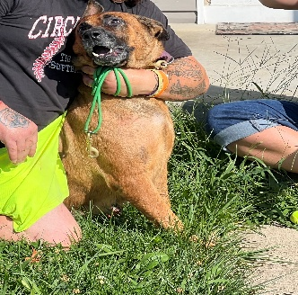 | Loco | Female | German Shepherd | Dangerous | #991001005325718 | 356
Uhl | Deborah | 2015 | Sioux | Dr | Circleville | 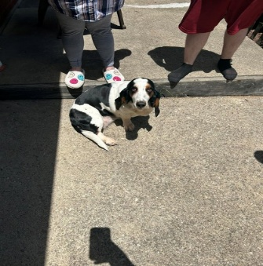 | Bowers | Female | Basset Hound | Dangerous
Hodge | Joseph | 130 Apt 2 | Logan | St | Circleville |  | Lady | Female | Mixed Breed | Nuisance | N/A | N/A
Hodge | Joseph | 130 Apt 2 | Logan | St | Circleville |  | Sky | Female | Boxer Mic | Nuisance | N/A | N/A

Gillian | Chip | 11593 | Haysville | Rd | Kingston | 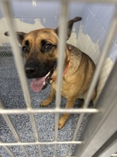 | Milo | Male | Shepherd Mix | Dangerous

Vernon | Jennifer | 26062 | Poplar | Alley | New Holland | N/A | Maverick | Male | Boxer Mix | Dangerous | #985141008083781 | 374

Hardy | Linda | 12580 | Cleo | Rd | Orient | 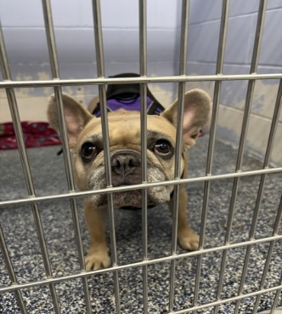 | Delila | Female | French Bulldog | Dangerous | #985141001539015
Daniels | Leah | 11799 | Ballah | Rd | Orient | 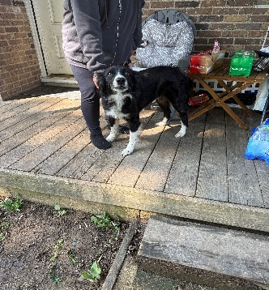 | Nilah | Female | Australian Shepherd | Dangerous

Motter | Matthew | 340 | Karst | Circle | South Bloomfield |  | Brutus | Male | Mixed Breed | Dangerous

